Sheet1
CubeSat Wiring Interface

Component | Connecting to | Pins | Interface | Method | Notes | OBC Board | Stack Pinout | Picoblade Port Pinout | UART Transceiver Connection
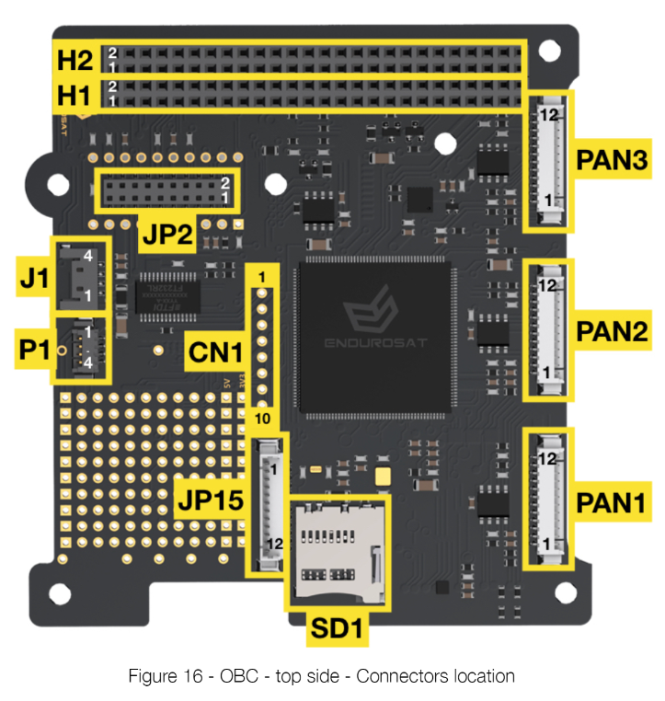
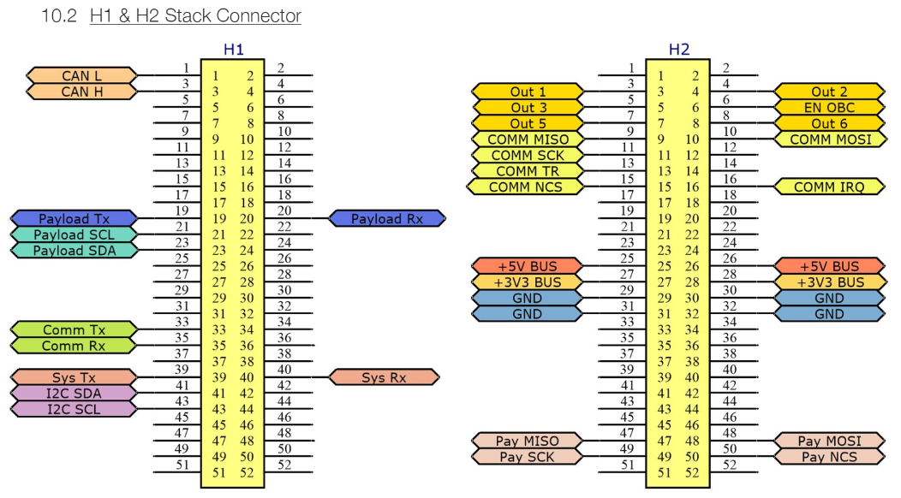
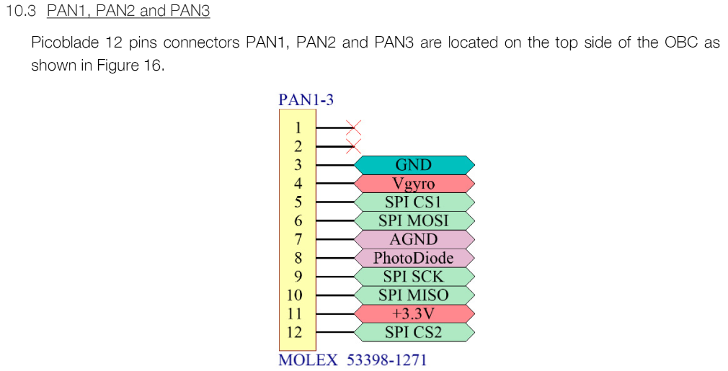
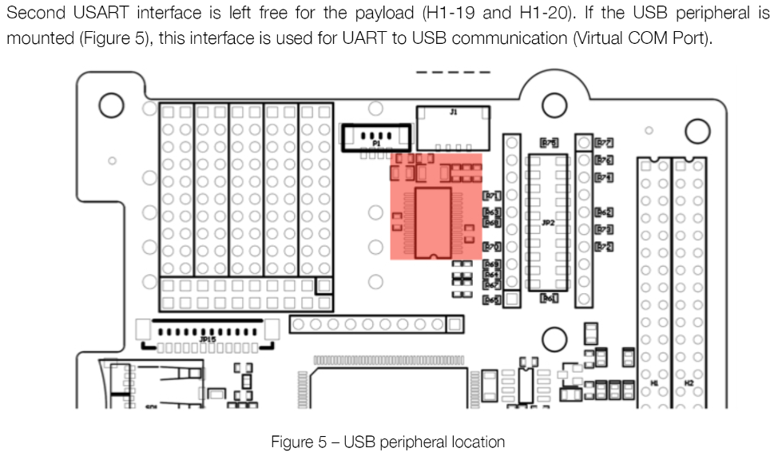
OBC | EPS - Data | H1-39 & H1-40 | UART | Stack
 | EPS - Power | H2-25-32 | n/a | Stack
 | Camera 1 | H2-9,10,11 | SPI | Wires connected to stack
 | Camera 2 | H2-47,48,49 | SPI | Wires connected to stack
 | Temp sensor 1 |  | GPIO | Stack | EPS can connect to 3 temp sensors
 | Temp sensor 2 |  | GPIO | Stack
 | Temp sensor 3 |  | GPIO | Stack
 | Temp sensor 4 |  | GPIO | Stack
 | Temp sensor 5 |  | GPIO | Stack
 | Temp sensor 6 |  | GPIO | Stack
 | Sun Sensor 1 | N/A
 | Sun Sensor 2 | N/A
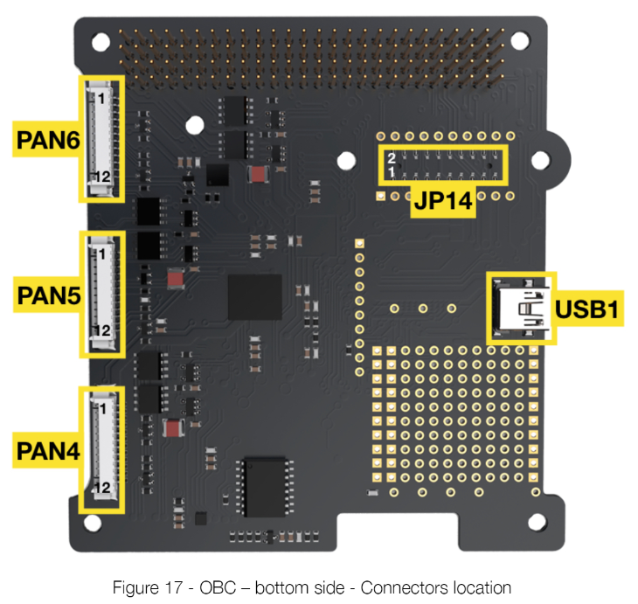
 | Sun Sensor 3 | N/A
 | Sun Sensor 4 | N/A
 | Sun Sensor 5 | N/A
 | Sun Sensor 6 | N/A
 | Gyroscope 1 | PAN1 - 4,5,9,10 | SPI | branch off of picoblade 12 connector | Includes power
 | Gyroscope 2 | PAN2 - 4,5,9,10 | SPI | branch off of picoblade 12 connector | Includes power
 | Gyroscope 3 | PAN3 - 4,5,9,10 | SPI | branch off of picoblade 12 connector | Includes power
 | Magnetorquer 1 | PAN4 - 1&2 | PWM | branch off of picoblade 12 connector
 | Magnetorquer 2 | PAN5 - 1&2 | PWM | branch off of picoblade 12 connector
 | Magnetorquer 3 | PAN6 - 1&2 | PWM | branch off of picoblade 12 connector
 | GPS Transceiver | JP2/14 - H1-19,20 | UART | JP2/14 | 3.3V from OBC JP2/14 - get from stack
 | Transceiver | H1-33 & H1-35 | USART | Stack

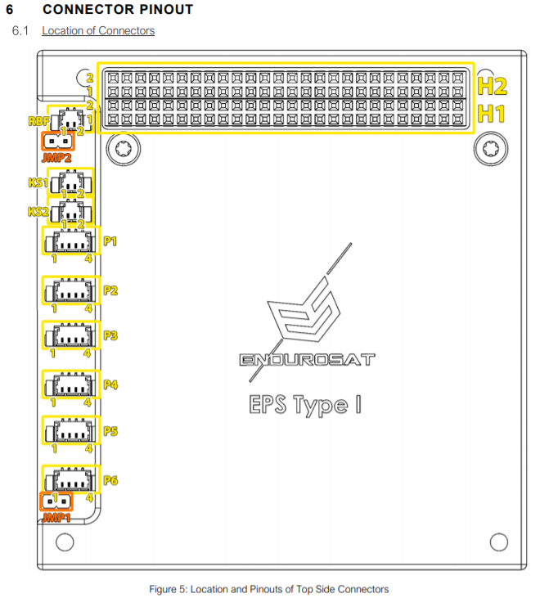
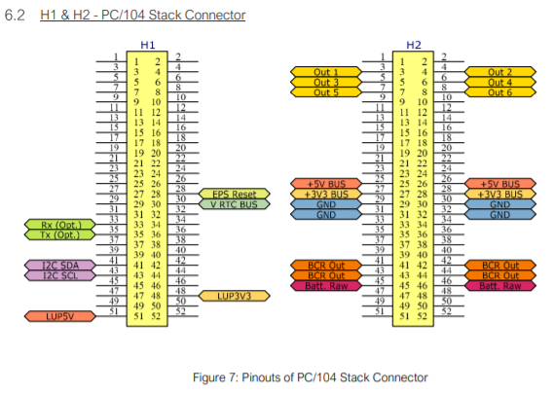
Component | Connecting to | Pins | Interface | Method | Notes
EPS | RBF Pin | RBF | Physical Connection | 2 pins MOLEX Picoblade 53398-0271
 | Deployment Switch 1 |  | Physical Connection
 | Deployment Switch 2 |  | Physical Connection
 | Deployment Switch 3 |  | Physical Connection
 | Solar Panel 1 - X- | P1 | N/A | 4 pins MOLEX Picoblade 53398-0471.
 | Solar Panel 2 - X+ | P2 | N/A | 4 pins MOLEX Picoblade 53398-0471.
 | Solar Panel 3 - Y- | P3 | N/A | 4 pins MOLEX Picoblade 53398-0471.
 | Solar Panel 4 - Y+ | P4 | N/A | 4 pins MOLEX Picoblade 53398-0471.
 | OBC | H1-39 & H1-40 | UART | Stack

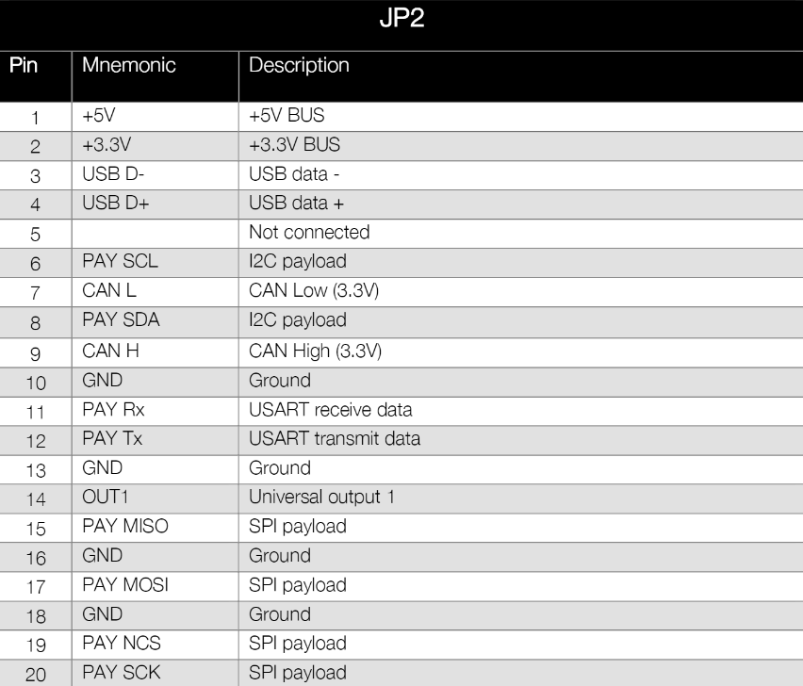
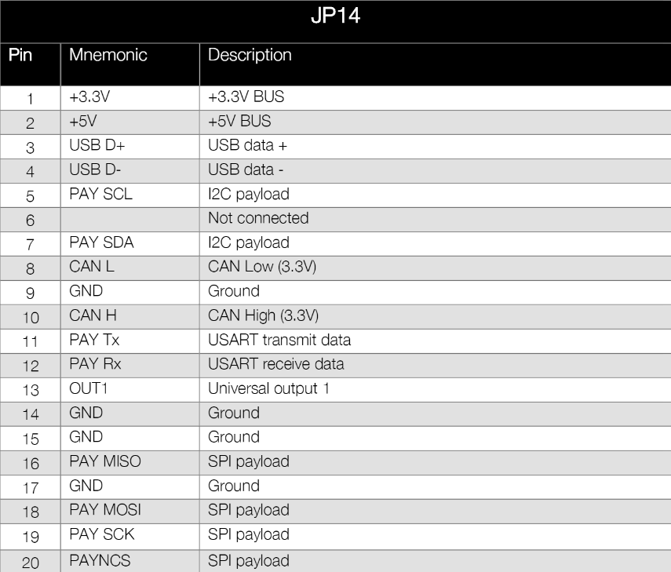
Component | Connecting to | Pins | Interface | Method | Notes
Tranceiver | OBC | H1-33 & H1-35 | USART | Stack
 | Antenna | MCX/MMCX | I2C
 | EPS | H2-25-32 | n/a | Stack | From bus

Component | Connecting to | Pins | Interface | Method | Notes
GPS transciever | OBC | JP2/14 - 19&20 | UART | JP2/14 | 3.3V from OBC JP2/14 - From stack
 | Patch antenna | MCX/MMCX? | I2C | cable

Component | Connecting to | Pins | Interface | Method | Notes
Camera 1 | OBC - Data
 | OBC - Power
Camera 2 | OBC - Data
 | OBC - Power

Temp sensor 1 | OBC
Temp sensor 2 | OBC
Temp sensor 3 | OBC
Temp sensor 4 | OBC
Temp sensor 5 | OBC
Temp sensor 6 | OBC
Sun Sensor 1 | OBC | N/A
Sun Sensor 2 | OBC | N/A
Sun Sensor 3 | OBC | N/A
Sun Sensor 4 | OBC | N/A
Sun Sensor 5 | OBC | N/A
Sun Sensor 6 | OBC | N/A
Gyroscope 1 | OBC | 2,3,4,14? | SPI | Soldered Wires
Gyroscope 2 | OBC | 2,3,4,14? | SPI | Soldered Wires
Gyroscope 3 | OBC | 2,3,4,14? | SPI | Soldered Wires
Magnetorquer 1 | OBC | n/a | PWM | Wire
Magnetorquer 2 | OBC | n/a | PWM | Wire
Magnetorquer 3 | OBC | n/a | PWM | Wire

Component | Connecting to | Pins | Interface | Method | Notes
GPS Antenna | GPS Tranceiver

Antenna | Tranceiver | MCX/MMCX | I2C

Solar Panel RBF Pin | EPS | RBF | physical switch | 2 pins MOLEX Picoblade 53398-0271
Deployment Switch 1 | EPS
Deployment Switch 2 | EPS
Deployment Switch 3 | EPS
Solar Panel 1 | EPS | Homemade | n/a | 4 pins MOLEX Picoblade 53398-0471.
Solar Panel 2 | EPS | Homemade | n/a | 4 pins MOLEX Picoblade 53398-0471.
Solar Panel 3 | EPS | Homemade | n/a | 4 pins MOLEX Picoblade 53398-0471.
Solar Panel 4 | EPS | Homemade | n/a | 4 pins MOLEX Picoblade 53398-0471.

